Bug_report
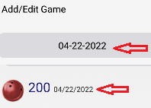
ID | Summary | Description | Steps to reproduced | Severity | Priority | Reproduci-bility | Attachments
1 | Game date format mm/dd/yyyy and mm-dd-уууу in Add game form does not match with date format | The separators in the date format are the different: mm/dd/yyyy and mm-dd-уууу | Env: Android Studio Emulator Pixel 4 API28 Precondition: the app is opened STR: 1. Click on the Add Game button 2. Enter valid score 200 3. Pay attention to the current date format mm-dd-уууу 4. Press OK 5. Go to the Main Screen 6. Pay attention to the current date format mm/dd/уууу Exp: The separators in the date format are the same Act: The separators in the date format are the different: mm/dd/yyyy and mm-dd-уууу | Trivial | Low | Always

2 | Instead of the Edit/Delete dialog, the Add/Edit dialog opens when you click on the game | The name of the dialog that opens when you click on the game does not meet the requirements | Env: Android Studio Emulator Pixel 4 API28 Precondition: the app is opened STR: 1. Click on the any Game 2. Pay attention to the nfme of dialog Exp: The names must be Edit/Delete Act: The name is Add/Edit | Major | Medium | Always
3 | Menu (hamburger) is moved to the left | The size of the side Menu is not convenient to click at | Env: Android Studio Emulator Pixel 4 API28 Precondition: the app is opened STR: 1. Pay attention to the Menu (hamburger) Exp: Menu (hamburger) should not be shifted Act: Menu (hamburger) is moved to the left | Minor | ASAP | Always
4 | The lower boundary of the "Good game" 220 does not match the indicator | The boundaries of "Good play" - green indicator (220-300) according to the requirements | Env: Android Studio Emulator Pixel 4 API28 Precondition: the app is opened STR: 1. Click on the Add Game button 2. Enter valid score 220 3. Press OK 6. Go to the league screen 6. Pay attention to the color of the indicator Exp: The color of the indicator is green Act: The color of the indicator is yellow | High | ASAP | Always
5 | The lower boundary of the "Normal game" 200 does not match the indicator | The boundaries of "Normal play" - yellow indicator (200-219) according to the requirements | Env: Android Studio Emulator Pixel 4 API28 Precondition: the app is opened STR: 1. Click on the Add Game button 2. Enter valid score 200 3. Press OK 6. Go to the league screen 6. Pay attention to the color of the indicator Exp: The color of the indicator is yellow Act: The color of the indicator is red | High | ASAP | Always
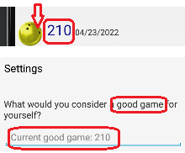
6 | The color of the indicator "Good Game" did not change to green if you set the lower limit of the indicator to 210 in the settings | In Settings the lower boundary of the "Good game" was changed to 210, respectively, the color of the indicator should be green | Env: Android Studio Emulator Pixel 4 API28 Precondition: the app is opened; In Settings the lower boundary of the "Good game" was changed to 210 STR: 1. Click on the Add Game button 2. Enter score 210 3. Press OK 6. Go to the league screen 6. Pay attention to the color of the indicator Exp: The color of the indicator should be green Act: The color of the indicator is yellow | High | ASAP | Always
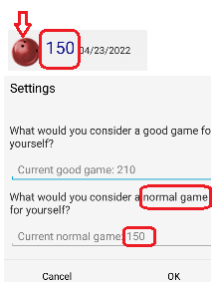
7 | The color of the indicator "Normal Game" did not change to green if you set the lower limit of the indicator to 150 in the settings | In Settings the lower boundary of the "Normal Game" was changed to 150, respectively, the color of the indicator should be yellow | Env: Android Studio Emulator Pixel 4 API28 Precondition: the app is opened; In Settings the lower boundary of the "Normal Game" was changed to 150 STR: 1. Click on the Add Game button 2. Enter score 150 3. Press OK 6. Go to the league screen 6. Pay attention to the color of the indicator Exp: The color of the indicator should be yellow Act: The color of the indicator is red | High | ASAP | Always

